Portfolio Comparison
Investment Style | Total Return
Small Value | 128.31416405
Small Core | 121.91140369
Small Growth | 125.29170611
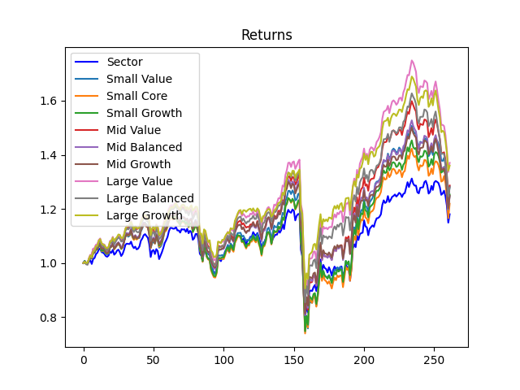
Mid Value | 128.64815119
Mid Balanced | 124.66682837
Mid Growth | 124.90378542
Large Value | 137.06137945
Large Balanced | 127.92947926
Large Growth | 135.9690912

